SPORT
Nº Palet | GÉNERO | FAMILIA | Estilo | Color | Talla |  | QTY
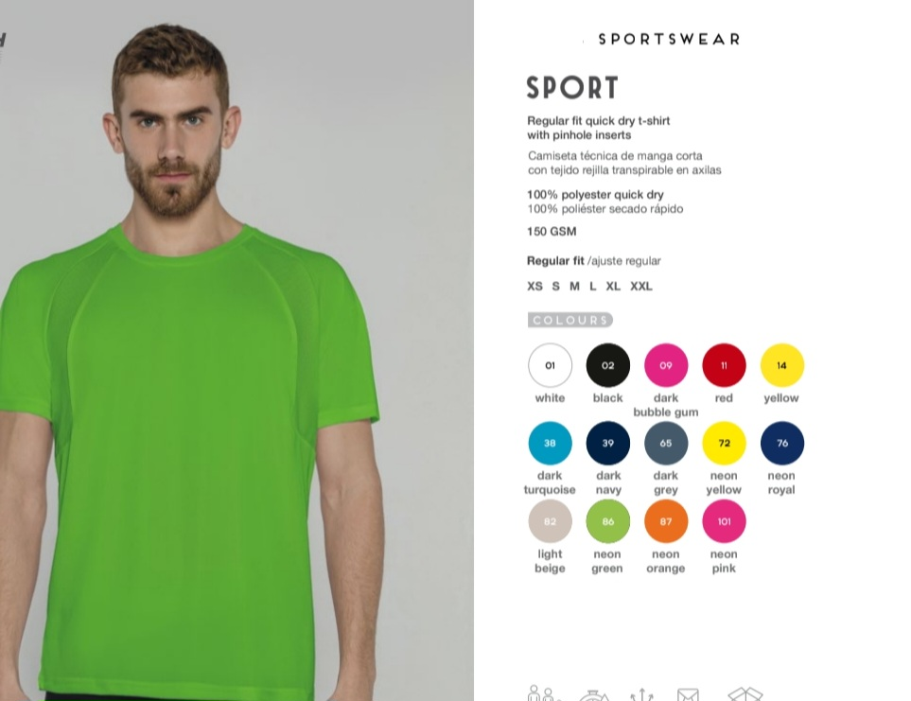
33 | MAN | CAMISETAS | SPORT | 01 WHITE | M | SPORT - WHITE | M | 500
33 | MAN | CAMISETAS | SPORT | 01 WHITE | L | SPORT - WHITE | L | 400
34 | MAN | CAMISETAS | SPORT | 01 WHITE | S | SPORT - WHITE | S | 500
34 | MAN | CAMISETAS | SPORT | 01 WHITE | L | SPORT - WHITE | L | 100
62 | MAN | CAMISETAS | SPORT | 01 WHITE | S | SPORT - WHITE | S | 100
62 | MAN | CAMISETAS | SPORT | 01 WHITE | L | SPORT - WHITE | L | 100
70 | MAN | CAMISETAS | SPORT | 01 WHITE | XS | SPORT - WHITE | XS | 1
70 | MAN | CAMISETAS | SPORT | 01 WHITE | S | SPORT - WHITE | S | 235
70 | MAN | CAMISETAS | SPORT | 01 WHITE | L | SPORT - WHITE | L | 145
70 | MAN | CAMISETAS | SPORT | 01 WHITE | M | SPORT - WHITE | M | 140
79 | MAN | CAMISETAS | SPORT | 01 WHITE | S | SPORT - WHITE | S | 205
79 | MAN | CAMISETAS | SPORT | 01 WHITE | M | SPORT - WHITE | M | 255
79 | MAN | CAMISETAS | SPORT | 01 WHITE | L | SPORT - WHITE | L | 532
79 | MAN | CAMISETAS | SPORT | 01 WHITE | XXL | SPORT - WHITE | XXL | 10
95 | MAN | CAMISETAS | SPORT | 01 WHITE | S | SPORT - WHITE | S | 209
95 | MAN | CAMISETAS | SPORT | 01 WHITE | M | SPORT - WHITE | M | 510
95 | MAN | CAMISETAS | SPORT | 01 WHITE | XS | SPORT - WHITE | XS | 5
107 | MAN | CAMISETAS | SPORT | 01 WHITE | XL | SPORT - WHITE | XL | 100
107 | MAN | CAMISETAS | SPORT | 01 WHITE | M | SPORT - WHITE | M | 100
33 | MAN | CAMISETAS | SPORT | 02 BLACK | M | SPORT - BLACK | M | 500
56 | MAN | CAMISETAS | SPORT | 02 BLACK | M | SPORT - BLACK | M | 1493
56 | MAN | CAMISETAS | SPORT | 02 BLACK | L | SPORT - BLACK | L | 100
...

